Per Participant Values
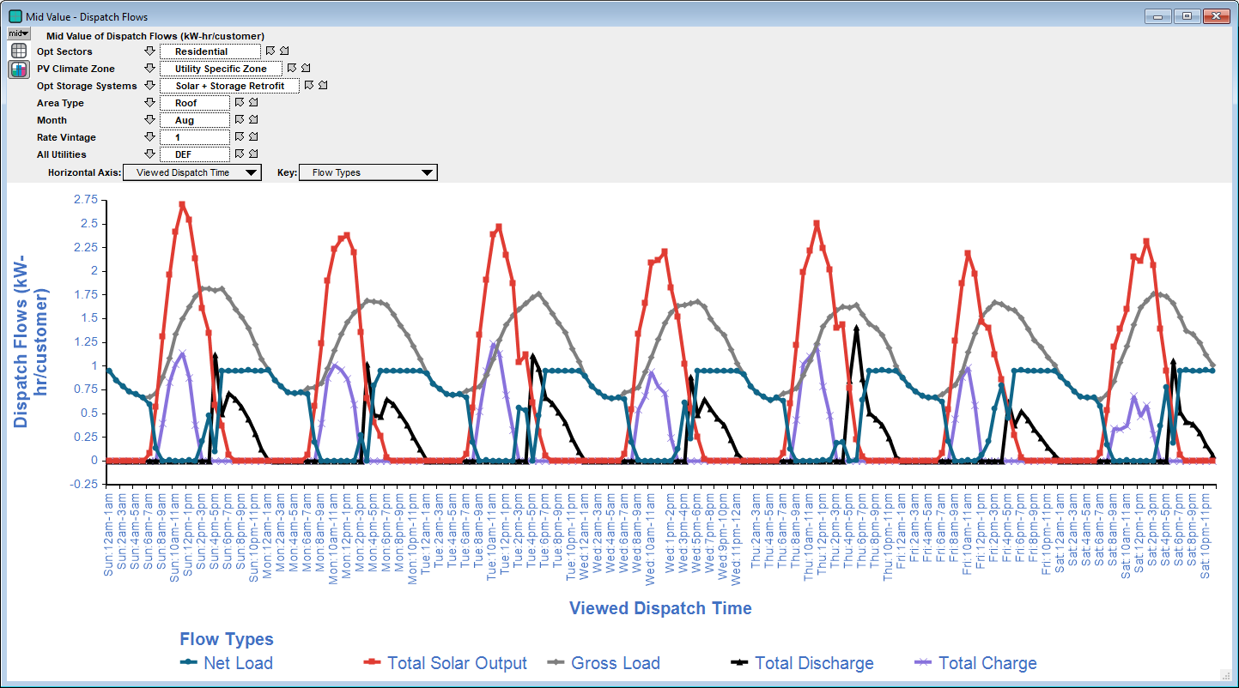
Description: | Per participant values for DER measures
Units: | Various | Note: Grid Impact output for storage "Technical" potential uses a dispatch profile that simply flattens each sector's loadshape to the greatest extent possible with the storage sizing assumptions (irrespective of electric rates or system peak period definitions). Actual dispatch would depend on the electric rate structure and customer economics, which is not yet included as part of the technical potential analysis (accounted for in economic/acheivable analysis). Thus, these values should be used with caution, as customer economic dispatch would likely be different, which affects potential, economics, and cost-effectiveness.
PV_Sectors | Measure_for_Tech_Pot | Summer Impact (kW-AC) | Winter Impact (kW-AC) | Annual Energy (kWh) | Equipment Lifetime (Years) | Incremental Cost ($) | Units | TRC | PCT | RIM
Residential | Solar PV | 0.139 | 0.012 | 1464 | 20 | 2198 | per kW-DC Nameplate | 0.74 | 0.71 | 0.71
Residential | Paired Battery Storage | 0.063 | 0.069 | N/A | 10 | 886 | per kWh of Storage | 0.53 | 0.23 | 23.17
NonResidential | Solar PV | 0.148 | 0.005 | 1409 | 20 | 1507 | per kW-DC Nameplate | 0.94 | 0.78 | 0.85
NonResidential | Paired Battery Storage | 0.032 | 0.042 | N/A | 10 | 378 | per kWh of Storage | 0.70 | 0.22 | 10.73

